Sheet1
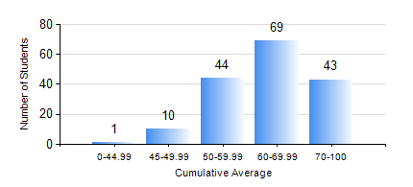
 |  |  | KWAME NKRUMAH UNIVERSITY OF SCIENCE AND TECHNOLOGY, KUMASI Department of Mechanical Engineering

 |  |  | BSC. MECHANICAL ENG.

 |  |  | COMPREHENSIVE RECORD OF EXAMINATION RESULTS

 |  |  | RESULTS OF YEAR 3 FIRST SEMESTER, 2020/2021 ACADEMIC YEAR

 | Sn | Course Code |  | Course Name | Credit Hours | Min. Mark | Max. Mark | Avg. Mark | Std. Dev. | No. Passed | No. Trailed | No. (Df) | No. (I) | No. (I*) | No. Tagged(I,I*,Df) | Total
 | 0. |  |  |  |  |  |  | 0 | 0 | 0 | 0 | 0 | 0 | 0 | 0 | 7
 | 1. | ECONS 151 |  | INTRODUCTION TO ECONOMICS I | 2 | 22 | 89 | 69 | 11.96 | 158 | 2 | 0 | 0 | 0 | 0 | 160
 | 2. | MATH 351 |  | NUMERICAL ANALYSIS | 2 | 14 | 83 | 61 | 8.93 | 158 | 2 | 0 | 0 | 0 | 0 | 160
 | 3. | MATH 353 |  | PROBABILITY AND STATISTICS | 2 | 16 | 88 | 69 | 10.07 | 158 | 2 | 0 | 0 | 0 | 0 | 160
 | 4. | ME 361 |  | DYNAMICS OF MACHINERY | 3 | 2 | 93 | 51 | 16.77 | 149 | 11 | 0 | 0 | 0 | 0 | 160
 | 5. | ME 363 |  | AUTOMATIC CONTROL I | 2 | 17 | 85 | 63 | 8.55 | 159 | 1 | 0 | 0 | 0 | 0 | 160
 | 6. | ME 365 |  | THERMODYNAMICS II | 3 | 13 | 94 | 69 | 13.44 | 158 | 1 | 0 | 1 | 0 | 1 | 160
 | 7. | ME 373 |  | MACHINE ELEMENTS DESIGN | 3 | 3 | 96 | 58 | 21.53 | 135 | 25 | 0 | 0 | 0 | 0 | 160
 | 8. | ME 395 |  | MECHANICAL ENGINEERING LAB. III | 1 | 14 | 86 | 68 | 7.85 | 157 | 2 | 1 | 0 | 0 | 1 | 160

